Raw Data Review
SOP: | Raw Data Review | version: | 1.0 | date: | 2021-01-12 | responsibility: | Site Operator
 |  |  |  |  |  |  | prereq:
 |  |  |  |  |  |  | Data has been polled or imported.
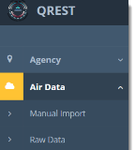
1
Step:
1 | Go to Air Data->Raw Data

2
2 | Select Agency, Parameter, time interval (5-min data, if available, or the calculated hourly values for this data), and time as either local or UTC.

3
 | The default datetime interval is set as today. There are several options for specifying a different datetime interval.

 | Options for selecting datetime intervals:
3
 | Option A: Click anywhere in the datetime interval box to open a selection list. Selecting Yesterday, Last 7 Days, This Month, or Last Month from the selection list will populate the datetime interval box. |  |  | 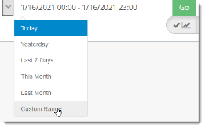

 | Option B: Click anywhere in the datetime interval box to open a selection list. Selecting Custom Range from the selection list will open a calendar option.
-Start Date/Time: First specify the start date. Use the navigation buttons to scroll to the month, then click on the start date of the range. If you want a time other than the default of midnight for the starting time, click on the dropdown arrow to the right of 0 to specify a different time.
 |  |  | 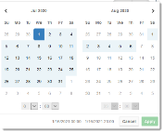 |  |  | 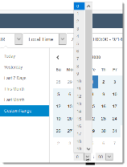
-End Date/Time: Next specify the end date. Use the navigation buttons, as needed, to scroll to the month, then click on the end date of the date range (to specify only a day of data, you would just click on the same date that you clicked on for the start date). If you want a time other than the default of eleven PM (23:00) for the end time, click on the dropdown arrow to the right of 23 to specify a different time.
-Apply: After specifying both the start and end date/time, click on the green Apply button. If the green Apply button is not visible because it is below the edge of your screen, you can also click anywhere in the white area outside of the box, and then the datetimes you selected populate the datetime interval box, just as if you had clicked Apply.
 |  | 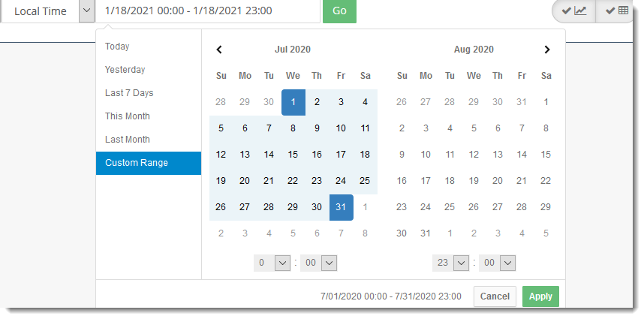
Click

 | Option C: Dates and Times can also be typed directly into the datetime interval box. If using this option, it is best to highlight the segments of the default dates/times you need to change and then type over them.

4 | Click Go to generate the chart and table of the data selected. Alternately, you can press Enter on your keyboard while your cursor is in the datetime interval box to generate the chart and table of the data selected.

5 | Level 0 validation flags are represented by the red and purple bars on the chart.

5

5a
5a

5a | Values outside the min/max Level 0 limits are displayed as red bars.
To quickly verify what the Level 0 validation criteria are, go to Agency -> Monitors, click Edit on the monitor, to see:

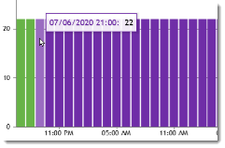
5b
 |  |  |  |  | In this example, the Stuck Level 0 criterion is set to 3.
5b | Purple bars represent "stuck," or repeated identical contiguous values:
 |  |  |  |  |  | This means that QREST flags repeated identical values occurring for at least 3 sequential records, beginning with the 3rd value.

5c
5c | Purple bars also represent "jumps" in values from one record to the next. The Level 0 "Amount Change" criterion specifies how much of a change flags the data.

 |  |  | In this case, a "jump" of more than 40 microg/m3 in one hour flags the data as purple in the chart.

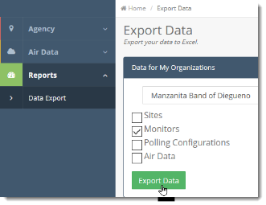
 |  | Note: To export an excel table with the Level 0 limits anytime, go to Reports->Data Export-> Monitors

6 | To zoom into a portion of the chart, hold down mouse button while sliding cursor over the set of data you want to see in more detail:

6

7 | If the chart has been zoomed, 3 tools appear in the upper right of the chart.

7a | To reset the chart to your original datetime selection, click the "reset" button, the middle tool, in the upper right corner of the chart.

7b | To pan within the chart, click the pan button, then your cursor turns into a 4-headed arrow, and you can drag the chart to the right or left to view more of the data that was in your original selection.

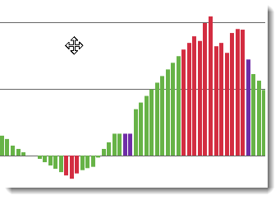
7b

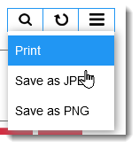
7c
7c | To export the chart, click the three horizontal bars, and select an export option.

8 | The Level 0 flags are also shown as a column in the data table below the graph.
8

9 | Columns in the table can be sorted by clicking the faint gray up/down arrows to the right of every header.

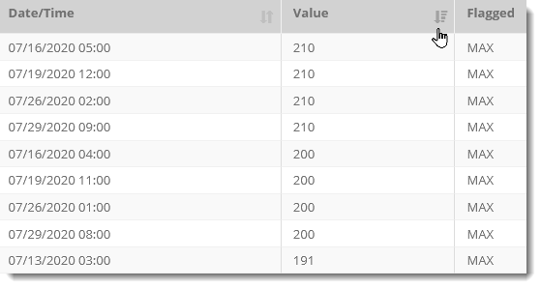
 |  |  |  |  |  | Once sorted, the arrow beside the sorted column header turn a darker gray.

 |  |  |  |  |  | This example was sorted by Value: click again to toggle min to max.

To see datetime in sequential order again, click on the gray button to the right of the Date/Time header.
Click the sorting buttons to toggle back and forth between earliest/recent, max/min, etc.

To edit the data, apply flags, or prepare the data for AQS submission, go to the Data Review page.

